Your Results
Days Simulation (25 TRIALS)
 |  | Days to finish | Days to Finish | Instance Count
 | Pair 1 - Trial 1 | 30 | 17 | 1
 | Pair 1 - Trial 2 | 21 | 18 | 0
 | Pair 1 - Trial 3 | 20 | 19 | 0
 | Pair 1 - Trial 4 | 24 | 20 | 1
 | Pair 1 - Trial 5 | 24 | 21 | 4
 | Pair 2 - Trial 1 | 34 | 22 | 5
 | Pair 2 - Trial 2 | 22 | 23 | 1
 | Pair 2 - Trial 3 | 28 | 24 | 2
 | Pair 2 - Trial 4 | 31 | 25 | 1
 | Pair 2 - Trial 5 | 21 | 26 | 2
 | Pair 3 - Trial 1 | 29 | 27 | 2
 | Pair 3 - Trial 2 | 25 | 28 | 1
 | Pair 3 - Trial 3 | 21 | 29 | 1
 | Pair 3 - Trial 4 | 26 | 30 | 2
 | Pair 3 - Trial 5 | 27 | 31 | 1
 | Pair 4 - Trial 1 | 23 | 32 | 0
 | Pair 4 - Trial 2 | 21 | 33 | 0
 | Pair 4 - Trial 3 | 17 | 34 | 1
 | Pair 4 - Trial 4 | 22
 | Pair 4 - Trial 5 | 22
 | Pair 5 - Trial 1 | 26
 | Pair 5 - Trial 2 | 22
 | Pair 5 - Trial 3 | 22
 | Pair 5 - Trial 4 | 27
 | Pair 5 - Trial 5 | 30

 |  | Days to finish
Percentile | 50th | 24
Percentile | 70th | 27
Percentile | 85th | 29
Percentile | 95th | 31
Fastest | MIN | 17
Slowest | MAX | 34
Average | MEAN | 25

Graph
Days Simulation (25 Trials)
Days Simulation (100 Trials)
Days Simulation (1,000 Trials)
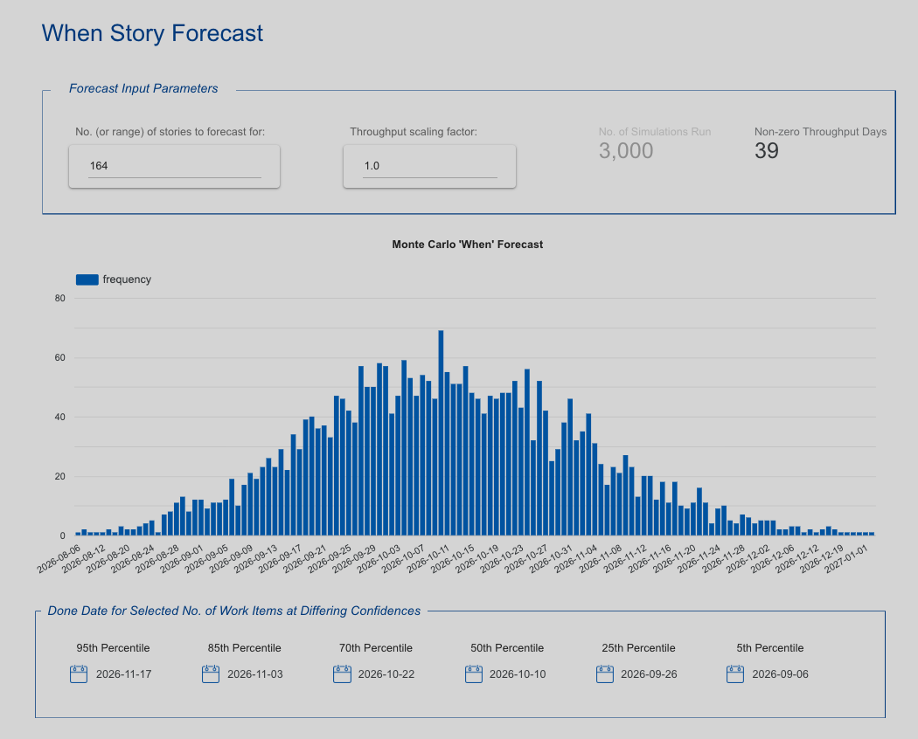
Days to Finish | Instance Count |  |  |  |  | Days to Read | Instance Count |  |  |  |  | Days to Read | Instance Count
17 | 1 |  |  |  |  | 1 | 0 |  |  |  |  | 1 | 0
18 | 0 |  |  |  |  | 2 | 0 |  |  |  |  | 2 | 0
19 | 0 |  |  |  |  | 3 | 0 |  |  |  |  | 3 | 0
20 | 1 |  |  |  |  | 4 | 0 |  |  |  |  | 4 | 0
21 | 4 |  |  |  |  | 5 | 0 |  |  |  |  | 5 | 0
22 | 5 |  |  |  |  | 6 | 0 |  |  |  |  | 6 | 0
23 | 1 |  |  |  |  | 7 | 0 |  |  |  |  | 7 | 0
24 | 2 |  |  |  |  | 8 | 0 |  |  |  |  | 8 | 0
25 | 1 |  |  |  |  | 9 | 0 |  |  |  |  | 9 | 0
26 | 2 |  |  |  |  | 10 | 0 |  |  |  |  | 10 | 0
27 | 2 |  |  |  |  | 11 | 0 |  |  |  |  | 11 | 0
28 | 1 |  |  |  |  | 12 | 0 |  |  |  |  | 12 | 0
29 | 1 |  |  |  |  | 13 | 0 |  |  |  |  | 13 | 0
30 | 2 |  |  |  |  | 14 | 0 |  |  |  |  | 14 | 0
31 | 1 |  |  |  |  | 15 | 0 |  |  |  |  | 15 | 1
32 | 0 |  |  |  |  | 16 | 0 |  |  |  |  | 16 | 4
33 | 0 |  |  |  |  | 17 | 2 |  |  |  |  | 17 | 13
34 | 1 |  |  |  |  | 18 | 4 |  |  |  |  | 18 | 24
 |  |  |  |  |  | 19 | 3 |  |  |  |  | 19 | 37
 |  |  |  |  |  | 20 | 9 |  |  |  |  | 20 | 74
 |  |  |  |  |  | 21 | 10 |  |  |  |  | 21 | 82
 |  |  |  |  |  | 22 | 9 |  |  |  |  | 22 | 93
 |  |  |  |  |  | 23 | 10 |  |  |  |  | 23 | 100
 |  |  |  |  |  | 24 | 14 |  |  |  |  | 24 | 105
 |  |  |  |  |  | 25 | 16 |  |  |  |  | 25 | 113
 |  |  |  |  |  | 26 | 8 |  |  |  |  | 26 | 103
 |  |  |  |  |  | 27 | 3 |  |  |  |  | 27 | 79
 |  |  |  |  |  | 28 | 3 |  |  |  |  | 28 | 50
 |  |  |  |  |  | 29 | 3 |  |  |  |  | 29 | 48
 |  |  |  |  |  | 30 | 3 |  |  |  |  | 30 | 34 |  |  | Days Reading | Done Date
 |  |  |  |  |  | 31 | 1 |  |  |  |  | 31 | 19 | Percentile | 50th | 23 | 2026-05-08
 |  |  |  | Days Reading | Done Date | 32 | 1 |  |  | Days Reading | Done Date | 32 | 10 | Percentile | 70th | 25 | 2026-05-10
 |  | Percentile | 50th | 24 | 2026-05-09 | 33 | 1 | Percentile | 50th | 23 | 2026-05-08 | 33 | 4 | Percentile | 85th | 27 | 2026-05-12
 |  | Percentile | 70th | 27 | 2026-05-11 19:12:00 | 34 | 0 | Percentile | 70th | 24 | 2026-05-09 | 34 | 6 | Percentile | 95th | 29 | 2026-05-14
 |  | Percentile | 85th | 29 | 2026-05-14 09:36:00 | 35 | 0 | Percentile | 85th | 26 | 2026-05-11 | 35 | 0 | Fastest | MIN | 15 | 2026-04-30
 |  | Percentile | 95th | 31 | 2026-05-15 19:12:00 | 36 | 0 | Percentile | 95th | 29 | 2026-05-14 | 36 | 1 | Slowest | MAX | 36 | 2026-05-21
 |  | Fastest | MIN | 17 | 2026-05-02 | 37 | 0 | Fastest | MIN | 17 | 2026-05-02 | 37 | 0 | Average | MEAN | 25 | 2026-05-10
 |  | Slowest | MAX | 34 | 2026-05-19 | 38 | 0 | Slowest | MAX | 33 | 2026-05-18 | 38 | 0
 |  | Average | MEAN | 25 | 2026-05-10 | 39 | 0 | Average | MEAN | 24 | 2026-05-09 | 39 | 0 |  | Days Reading | How Common? | Done Date
 |  |  |  |  |  | 40 | 0 |  |  |  |  | 40 | 0 | Most Common | 25 | 11% | 2026-05-10
 |  |  |  |  |  | 41 | 0 |  |  | How Common? | Done Date | 41 | 0
 |  |  |  |  |  | 42 | 0 | Most Common | 25 | 25% | 2026-05-10 | 42 | 0
 |  |  |  |  |  | 43 | 0 |  |  |  |  | 43 | 0
 |  |  |  |  |  | 44 | 0 |  |  |  |  | 44 | 0
 |  |  |  |  |  | 45 | 0 |  |  |  |  | 45 | 0
 |  |  |  |  |  | 46 | 0 |  |  |  |  | 46 | 0
 |  |  |  |  |  | 47 | 0 |  |  |  |  | 47 | 0
 |  |  |  |  |  | 48 | 0 |  |  |  |  | 48 | 0
 |  |  |  |  |  | 49 | 0 |  |  |  |  | 49 | 0
 |  |  |  |  |  | 50 | 0 |  |  |  |  | 50 | 0

Throughput
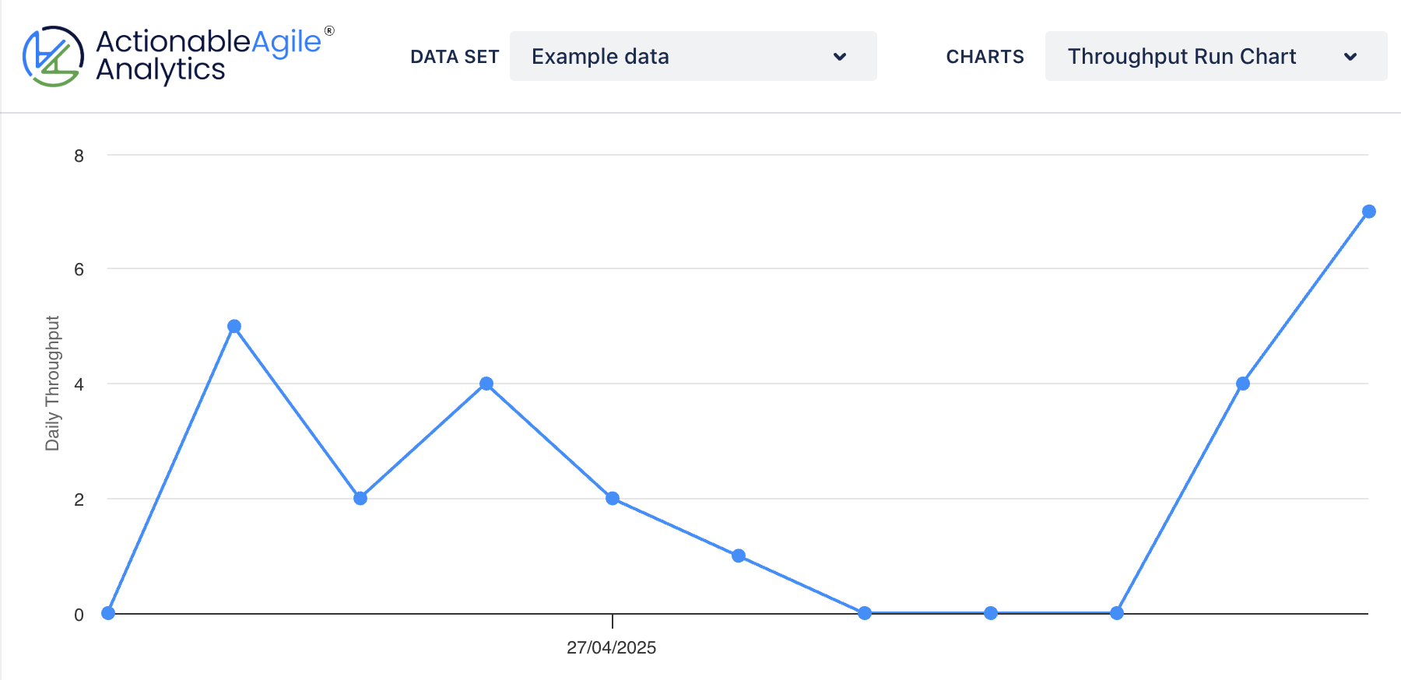
Date | Throughput
2026-04-03 | 4
2026-04-04 | 6
2026-04-05 | 7
2026-04-06 | 0
2026-04-07 | 8
2026-04-08 | 22
2026-04-09 | 0
2026-04-10 | 14
2026-04-11 | 8
2026-04-12 | 3
2026-04-13 | 4
2026-04-14 | 9

